SURCA Tool
Cyrille Grébonval, Philippe Beillas, Xuguang Wang (2026) Reclined postures when changing both seat back and seat pan angles, DOI: 10.1080/15389588.2026.2667940, Traffic Injury Prevention
Université Gustave Eiffel, LBMC
License: Creative Commons Attribution (CC-BY-4.0)
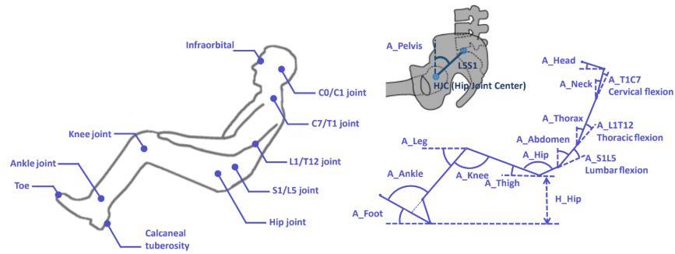
Occupant Posture Prediction
Contacts: | xuguang.wang@univ-eiffel.fr
Last revision: | April 30 2026

Inputs
Seatback angle | 60 | deg.
Seat pan angle | 14 | deg.

Stature | 1694 | mm
Body Weight | 84 | kg
Sitting Height |  | mm

Calculated Inputs
BMI | 29.3 | kg/m²
Sitting Heigth Ratio | 0.52
Sitting Heigth Value | 880.88

Current study evaluation

In the LABORATORY CS (not Seat CS)
With H-point as the origin of the CS
X Backward
Z Upward
Segment length |  |  | Landmarks | R² Adj. | Postural Outputs |  |  | R² Adj.
Head | 77.84 | mm | Infraorbital - C1/C0 joint | 42.0% | A_Head | 65 | deg. | 57.2%
Neck | 81.72 | mm | C1/C0 joint - C7/T1 joint | 29.0% | A_Neck | 33 | deg. | 53.3%
Thorax | 272.10 | mm | C7/T1 joint - L1/T12 joint | 45.0% | A_Thorax | 47 | deg. | 97.0%
Lumbar | 171.14 | mm | L1/T12 joint - S1/L5 joint | 35.0% | A_Abdomen | 66 | deg. | 95.2%
Pelvis | 108.57 | mm | S1/L5 joint - Hip joint | 17.0% | A_Pelvis | 84 | deg. | 90.3% | Posture reconstruction
Thigh | 407.73 | mm | Hip joint - Knee joint | 65.0% | A_Thigh | 10 | deg. | 87.9% | Infraorbital | 475 | 406 | mm
Leg | 395.46 | mm | Knee joint - Ankle joint | 78.0% | A_Leg | 45 | deg. | 24.6% | C1/C0 joint | 508 | 335 | mm
Foot Back | 58.51 | mm | Arch Apex (Calculated) - Calcaneal tuberosity | 31.0% | A_Foot | 37 | deg. | 26.4% | C7/T1 joint | 464 | 267 | mm
Foot Height | 52.99 | mm | Ankle joint - Arch Apex (Calculated) | 18.0% | A_T1C7 | 11 | deg. | 23.4% | L1/T12 joint | 264 | 82 | mm
Foot | 261.89 | mm | Calcaneal tuberosity - Toe | 56.0% | A_L1T12 | 16 | deg. | 58.1% | S1/L5 joint | 108 | 12 | mm
 |  |  |  |  | A_S1L5 | 17 | deg. | 75.5% | Hip joint | 0 | 0 | mm
 |  |  |  |  | A_Hip | 162 | deg. | 86.7% | Knee joint | -402 | 69 | mm
 |  |  |  |  | A_Knee | 128 | deg. | 31.7% | Ankle joint | -680 | -212 | mm
 |  |  |  |  | A_Ankle | 109 | deg. | 92.3% | Calcaneal tuberosity | -695 | -289 | mm
 |  |  |  |  | A_T2P | 92 | deg. | 64.9% | Toe | -905 | -132 | mm

Reed et al. (2018) evaluation Reed, M. P., & Ebert, S. M. (2018). Effects of recline on passenger posture and belt fit. University of Michigan Transportation Research Institute. Ann Arbor (MI). https://deepblue. lib. umich. edu/handle/2027.42/146263.

 |  |  |  |  | Postural Outputs |  |  | R² Adj. | Posture reconstruction
 |  |  |  |  | A_Head | 40 | deg. | 59.0% | Infraorbital | 435 | 435 | mm
 |  |  |  |  | A_Neck | 47 | deg. | 67.0% | C1/C0 joint | 495 | 385 | mm
 |  |  |  |  | A_Thorax | 44 | deg. | 84.0% | C7/T1 joint | 435 | 329 | mm
 |  |  |  |  | A_Abdomen | 59 | deg. | 64.0% | L1/T12 joint | 245 | 135 | mm
 |  |  |  |  | A_Pelvis | 65 | deg. | 19.0% | S1/L5 joint | 98 | 47 | mm
 |  |  |  |  | A_Thigh | 13 | deg. | 19.0% | Hip joint | 0 | 0 | mm
 |  |  |  |  | A_Leg | 47 | deg. | 22.0% | Knee joint | -398 | 89 | mm
 |  |  |  |  | A_Foot | / | deg. | / | Ankle joint | -668 | -200 | mm

